BI Strategy Structure
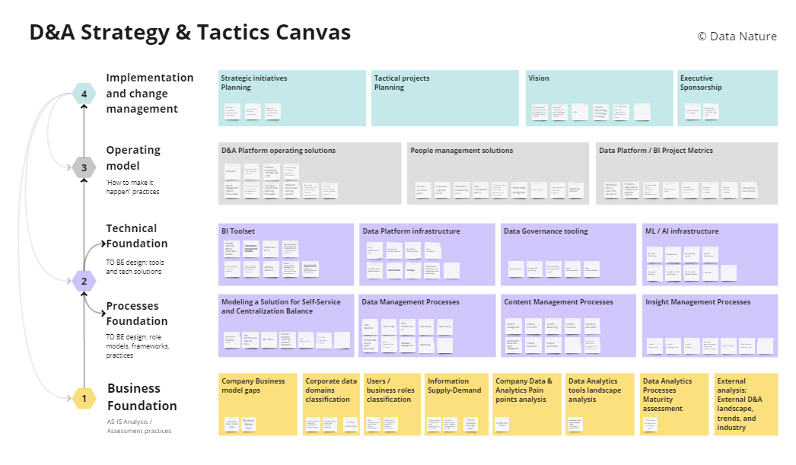
D&A STRATEGY / Table of contents
# | Step | Topic | Template | More about the structure
0 | Current D&A Vision | Why build a BI practice and what we want to achieve, setting BI goals in the company | 5. BI Vision
1 | AS-IS Analysis / Assessment of company's data needs, landscape and constraints | 1.1. Company Data & Analytics Pain points analysis | 1. D&A PainPoints
 |  | 1.2. Corporate data classification - data domains with ownership / stewardship assignment | 1. Data Domains Classification
 |  | 1.3. BI users / business roles classification, and models of analytics consumption | 1. User Classification and BI Models
 |  | 1.4. Information Supply-Demand Analysis | 1. Info supply-demand matrix
 |  | 1.5. BI reports / Data tools adoption stats. Data ad-hoc requests stats | 1. Outside BI
 |  |  | 1. Inside BI
2 | TO BE Design / Targeted improvements and practices in terms of roles, processes, and tools | 2.1. Design / update of Data management processes | 2.1 Data Mgmt processes
 |  |  | 2.1 Data Mgmt questionnaire
 |  |  | 2.1 Critical data
 |  | 2.2. Design / update of Content management processes | 2.2 Content Mgmt Processes
 |  |  | 2.2 Content Mgmt questionnaire
 |  | 2.3. Selection and adaptation of Self-Service BI practices | 2.3 SelfServ D&A Practices
 |  | 2.4. Selection and adaptation of Centralized Reporting factory practices | 2.4 Centralized D&A Practices
 |  |  | 2.4 Analytical Workplaces
 |  | 2.5. Development of BI Toolset | 2.5 BI & Around BI Tools
3 | Operational model and efficiency | 3.1. BI Project management excellance | 3. Access Matrix
 |  |  | 3. Regular Meetings
 |  |  | 3. Rules and Standards in BI
 |  | 3.2. Staff strategy | 3. Newcomer onboarding plan
 |  | 3.3. BI Project Metrics | 3. BI Project Metrics
4 | Transformation Plan | Roadmap, Change planning. | 4. Action plan
5. | New D&A Vision | Why build a BI practice and what we want to achieve, setting BI goals in the company | 5. BI Vision

1. D&A PainPoints
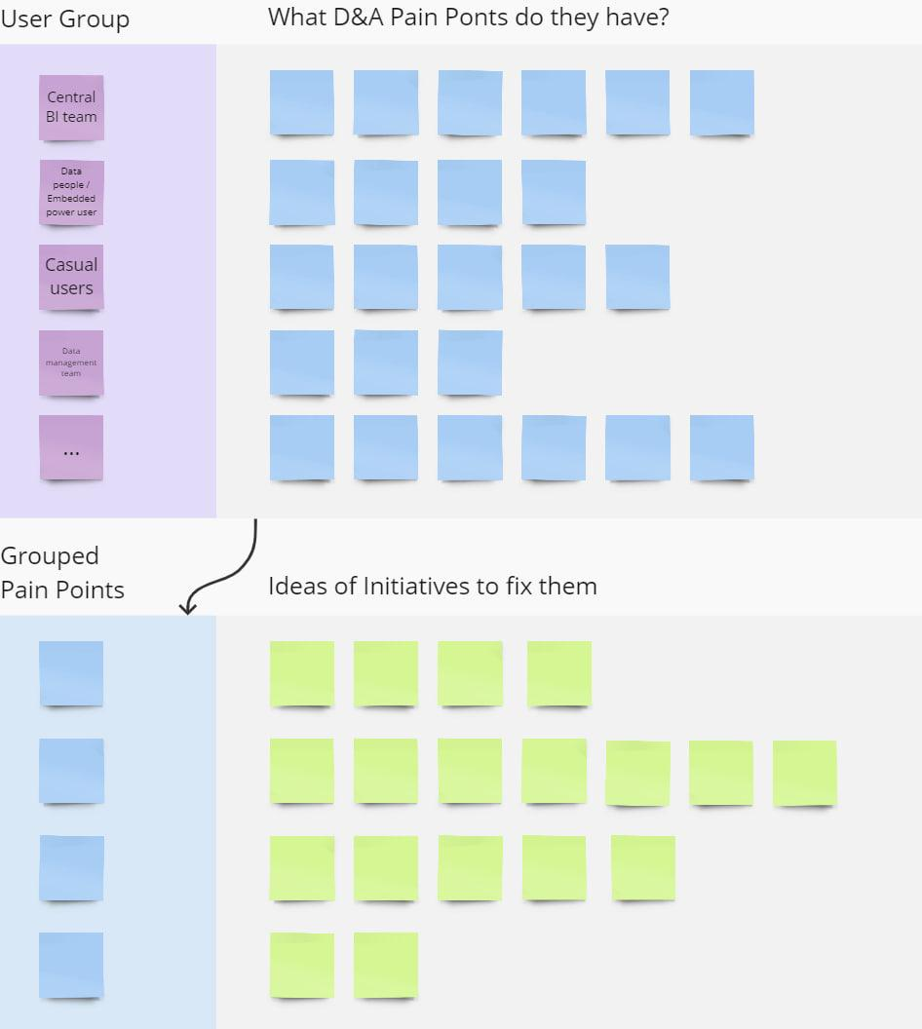
Company Data & Analytics Pain points analysis |  | ← back to menu
For your company, conduct an analysis of the challenges that main data roles face
User Group | What D&A Pain Ponts do they have?
Central BI team
Data people / Embedded power user
Data management team
Casual users
...

Grouped Pain Points | Ideas of Initiatives to fix them

2.1 Data Mgmt processes
Data Management Processes - as is / to be |  |  | ← back to menu
For your company - conduct an analysis of the current situation regarding data management processes Describe in a few sentences the targeted approach for each process, identifying the roles and tools involved. Where applicable - describe the difference in the implementation of processes in the centralized and self-service models
Processes | Pain Points | Management approach - as is / to be
 |  | Centralized | Self-Governing
Data Source Management |  | Management. Providing access to data sources. Development and implementation of data policies and procedures ...* | Definition, use, development, management of objects and data models used for analysis ...
Data Quality |  | Defining a data validation process and building trust Designing and Applying Cleansing Rules to Data ... | Designing and Applying cleansing rules to Data ...
Enrichment & Preparation |  | Defining the process and tools for ETL Creation of ETL processes and preparation of data sources for analysis | Using ready-made sources and Applying ETL rules to develop your view/tables...
Data Security |  | Define security settings and access controls for data models, Audit and control | Compliance with data corp security policies and external regulations ...
Metadata Management |  | Define policies and processes for managing metadata Define and maintain metadata for key data and ETL models Implementing Data Catalog solutions | Define and maintain metadata for your data objects and models ...
Monitoring & Management |  | Monitoring and auditing of usage, compliance control in data usage Definition of monitoring tools ... | Monitor metrics within your sources and models on meringue centralized tools ...
*possible answers examples

use the questionnaire

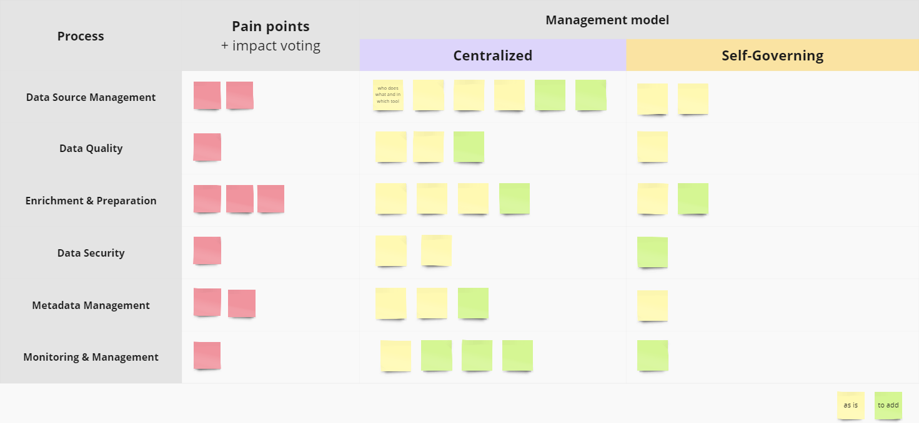

https://miro.com/app/board/o9J_lha8MnM=/?moveToWidget=3458764567476311802&cot=14

2.2 Content Mgmt Processes
Content Management Processes - as is / to be |  |  | ← back to menu
Conduct an analysis of the current situation regarding content management processes. Describe in a few sentences the target approach for each process, including the roles involved and the tools used. Where applicable, describe the differences in implementing processes between centralized and self-service models.
Processes | Pain Points | Management approach - as is / to be
 |  | Centralized | Self-Governing
Content Management |  | Creation and maintenance of environments for storing published content, development of native navigation for authors and users ….* | Ensure content is relevant to their site or project, follow design and architecture requirements ...
Authorization |  | Formalization of access rights policies, development of tools and provision of appropriate access to users depending on rules, data confidentiality, role, etc. | Differentiation of rights to your content in compliance with the security rules and permissions of the organization for working with reports
Content Validation |  | Determining the correct content validation process, validating a of content ... | Validation of own content, assistance in verifying the authenticity and accuracy of content ...
Content Promotion |  | Defining the content promotion process Promotion of centralized and cross-functional reports from authors ... | Promoting your verified content in a centralized environment as defined by the process ...
Content Certification |  | Defining a content certification process, working with authors to certify cross-functional reports ... | Certifying own trusted content and separating it from untrustworthy content in the same environment ...
Content Utilization |  | Measuring the use of reports in departments and roles, developing audit tools ... | Measuring report usage across departments and roles ...
*possible answers examples

use the questionnaire

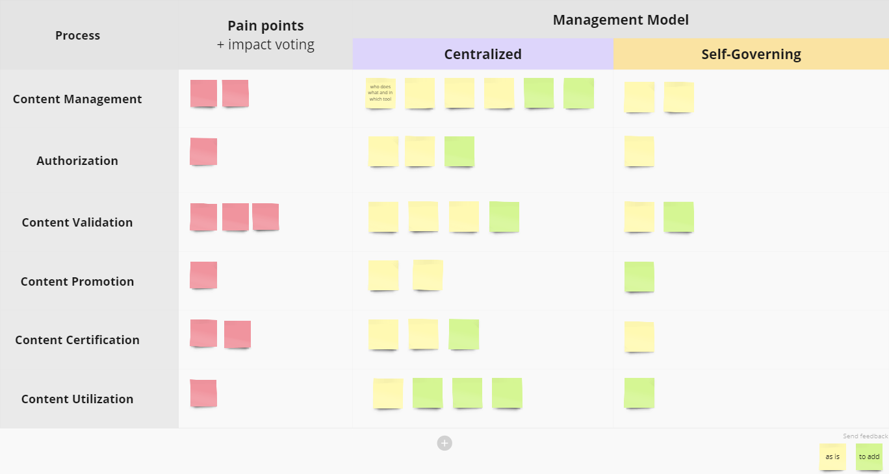

https://miro.com/app/board/o9J_lha8MnM=/?moveToWidget=3458764567544624352&cot=14

